Tweet1
 |  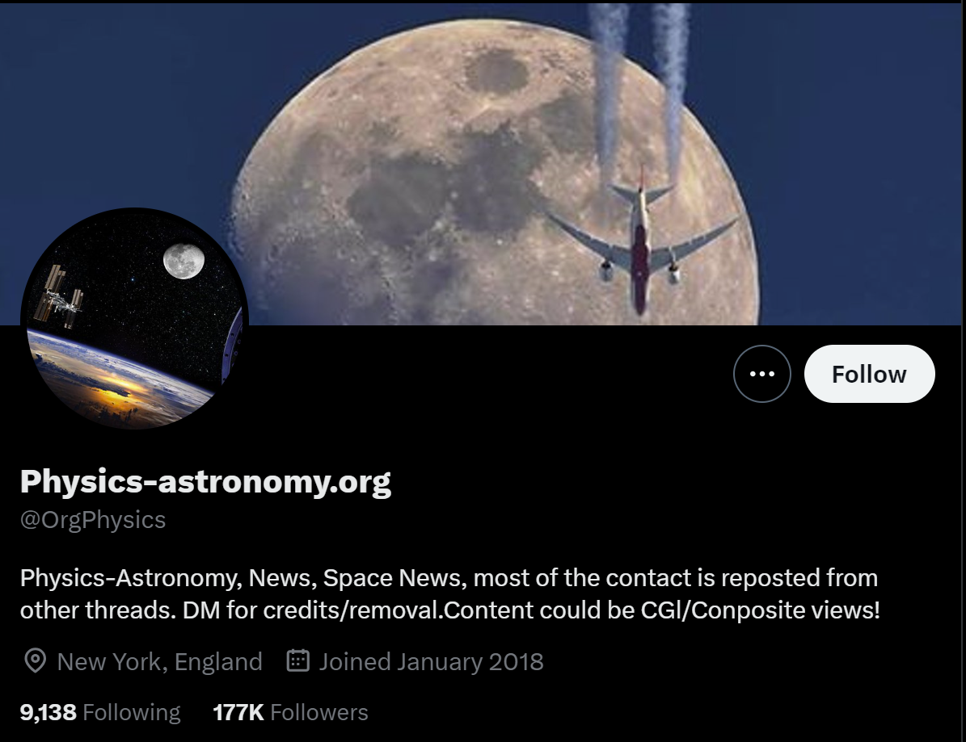
 | Question | Yes | No | Cannot Answer | Reason (If you selected Cannot Answer)
Actionability: A piece of content that is harmful becomes more harmful when it spurs direct action. | Does the message content include an explicit call to action? - The mesasge asks the reader/listener to directly do something; it might ask the reader to post, share, tell others about something, join an event. |  | 1
 | Does the piece of content incorporate coordination efforts, such as dates/times or other arrangements for follow-up? |  | 1
 | Does the message provide a name or otherwise any identifying information about an individual, an address, or a place of work in such a way that people might be directly harmed? |  | 1
 | Does the message content include a tone of urgency or mention of time sensitivity? |  | 1
 | Does the message content include any threats of violence? - Violence includes mention of physical or emotional attacks on others, weaponry, assault. |  | 1
 | Does the message lay blame or cast aspersions or hatred on a particular group, such as a particular religion, gender, sexual orientation, race, country, or culture, that has been harmed in the past by the audience of the content? |  | 1
 | Does the message invoke a sense of injustice or moral outrage, including on behalf of a vulnerable individual or group such as children or women? |  | 1
 | Does the direct target or current audience members directly addressed of the message have a recent history of taking actions that cause harm? - These are individuals or groups that may be on certain watch lists, and known more locally. Also consider doing an internet search for the name of the individual or organization and see what events occur in their recent history. |  | 1
 | Is this message associated with/similar to other messages that are also actionable? - Look for linked messages, comments, or other associated discussion that score "Yes" with the above questions. |  | 1
Exploitability: A piece of misinformation is more harmful the more the message seeks to exploit human or a group’s weaknesses, including a lack of resources. | Does the message directly address or reference children or use language aimed at a younger audience? |  | 1
 | Does the message directly address or reference elderly community members, or discuss topics aimed at them? |  | 1
 | Does the message introduce a degree of fear or feelings of uneasiness? |  | 1
 | Is the message content complicated to understand? |  | 1
 | Does the message directly address or reference military veterans, or discuss topics aimed at them? |  | 1
 | Does the message make mention of a reader’s feelings of isolation? |  | 1
 | Does the message make mention of a reader’s feelings of powerlessness? |  | 1
 | Does the message make mention of a reader’s feelings of disenfranchisement? |  | 1
 | Is this message associated with/similar to other messages that are also actionable? |  | 1
 | Is the message presented in a region where the local context might amplify its harm? |  | 1
Likelihood of Spread: A piece of misinformation is more harmful the more places and people are exposed to it. | Do the people or entities who are spreading the piece of content have a broad reach (size of following on social media, “influencer,” presence on TV or other news media)? | 1
 | Are the people or entities known to be repeat spreaders of questionable information? - Hint: Search for the author/poster within a fact-checking website and see if their claims have come under review more than once. |  | 1
 | Is there evidence of coordination activity (whether bot/automated or not) to encourage spread? - Signs of coordination might include: searching for the title of the message/article in a search engine to find the same repeated text, or actual discussions, posts, or upvotes related to creating an online campaign |  | 1
 | Is the content publicly accessible (posted on a public platform, addressable URL)? Is the content posted on a popular platform? | 1
 | Is the content spreading on multiple platforms? - Search the claim or the related URL link on a couple of search engines, and see if you can find it on more than one platform (e.g. YouTube, Twitter, Telegram, Facebook) | 1
 | Does one of the platforms upon which the content is shared have tools to support amplification (e.g. reshares, algorithmic feeds, recommendation engines)? | 1
 | Does the message make direct appeals to audience members that it in their financial, political, or social interest to spread the content further? |  | 1
 | Does the message directly call audience members to share the content further? - Count this if there is an explicit call to share, repost, amplify. DO NOT count this if the only evidence of this is a social media button for sharing. |  | 1
 | Is the tone of the content striking enough in ways that encourage sharing? - Things to look for include sensational language, humor, emotionally arresting imagery | 1
 | Does the content contain an image, audio-clip, or other richer formats that are easy to remember, visually or aurally arresting, or seems interesting to share? | 1
 | Does the message impart a sense of exclusivity or novelty (“breaking news”)? | 1
 | Are there hashtags associated with the message? - For example: #vaccinated. Hashtags are evidence of trying to associate the message with other social media streams. |  | 1
 | Is the message difficult to fact-check or prove false? - An opinionated preference of "X is better than Y" is an example of a claim that can be difficult to verify. |  | 1
 | Is the message related to a current event or a topic that is being reported on actively by many news outlets? - For example: look at a news aggregator such as Google News or Apple News to see what topics and stories appear near the top. |  | 1
Believability: A piece of misinformation is more harmful the more believable its message is to a specific community | Is there a lack of high quality information that is publicly accessible and is refuting the message’s claim? - Do a quick internet search for the same claim and/or actors and see if there is another report by a mainstream or public information source. | 1
 | Is there a lack of consensus on the part of experts regarding the claim? - Look for discussion around books, articles by relevant credentialed experts in the field (e.g. scientists, historians) and find whether or not their is general agreement. For example, infectious disease experts agree that vetted vaccines are effective; historians agree that the Holocaust occurred. | 1
 | Does the message fail to include external citations, links, or language about evidence to support its claim? - Look for whether the poster mostly links back to self or relies on its own witness. | 1
 | Does the message contain richer formats as part of its evidence that lay people consider to have low falsifiability? - Image- and sound-based messages (such as video, audio recording, screenshot) are considered to have lower fasifiability than plain text. |  | 1
 | Is the message written or communicated in a personal or persuasive tone? - Things to look for are personal appeals that include emotion, encouraging language, colloquialisms from a community. |  | 1
 | Does the message make reference to the broad believability of the claim or topic? - Look for cues such as “everyone knows” or references to outlets or communities that agree with the poster. |  | 1
 | Does the message appeal to a specific community identity by mentioning a shared set of values or beliefs? - Look for cues in which community identities are invoked, as well as specific values such as "freedom," "justice," "tradition." |  | 1
 | Does the poster and/or organization/outlet have a noteworthy number of social media/community followers? | 1
 | Is the content published by an organization/outlet with uncertain editorial control (e.g. is not a recognized news publisher)? - Look at these lists to see if the outlet appears: https://meta.wikimedia.org/wiki/Spam_blacklist, https://mediabiasfactcheck.com/ with a negative rating, other lists? | 1
 | Does the poster have credentials that represents some kind of expertise? - Examples include academic credentials such as MD, PhD, JD, PMH, titles such as Professor, Reverend. They can also include unusual titles as long as the credential makes a claim about the expertise of the poster. |  | 1
 | Is the content posted by an imposter individual or counterfeit outlet that could successfully pass as a different person/account based only upon a quick glance? - Examples of this are rare, but for example a website claiming to be ABC news that isn't abcnews.go.com or abc.net.au or a Twitter handle that is close to a recognizable figure's expected Twitter handle. | 1
 | Does the content have the graphics and styling of a legitimate news agency or mainstream information source? - Look for high production values such as a professional looking banner or logos that seem similar to existing mainstream information sources, (e.g. national level outlets such as BBC, New York Times, Al Jazeera). |  | 1
Social Fragmentation: Does the content affect societal and community relationships over time? | Does the message fit into a larger narrative that has been existing for some time? - A larger narrative means that there is story touching the information that crosses platforms and time. This may include stories about communities, race, poltitical parties. |  | 1
 | Does the message question trust in or the functioning of public institutions? |  | 1
 | Does the message question trust in or the functioning of the scientific community as a whole? |  | 1
 | Does the message question the functioning of or trust in news sources/ the media in general? - e.g., does the message encourages distrusting all online sources? does it suggest that everything is not verifiable? |  | 1
 | Does the message question the trustworthiness of other people in general within a community or society? |  | 1
 | In a democratic country where there are elections, does the message directly attack the election process? |  | 1
Move onto the next Tweet by clicking on the Tweet2 sheet.

